People
PEOPLE (1)
(1) The scope of the people performance indicators covers Vista Energy S.A.B. de C.V and its subsidiaries
People
Diversity of governance bodies and employees (GRI 2-7, 405-1, GRI O&G 11.11.5) |  | 2021 |  | 2022 |  | 2023 |  | 2024
Members of the Board of Directors |  | # | % | # | % | # | % | # | %
By gender
Women |  | 1 | 17% | 1 | 17% | 1 | 17% | 1 | 17%
Men |  | 5 | 83% | 5 | 83% | 5 | 83% | 5 | 83%
By age group
Under 30 years old |  | 0 | 0% | 0 | 0% | 0 | 0% | 0 | 0%
30-50 years old |  | 2 | 33% | 2 | 33% | 2 | 33% | 2 | 33%
Over 50 years old |  | 4 | 67% | 4 | 67% | 4 | 67% | 4 | 67%
Independency
Independent |  | 4 | 67% | 4 | 67% | 5 | 83% | 5 | 83%
Non-independent |  | 2 | 33% | 2 | 33% | 1 | 17% | 1 | 17%
Total members |  | 6 | 100% | 6 | 100% | 6 | 100% | 6 | 100%

Employees
Employees (as of the end of year) |  | 2021 |  | 2022 |  | 2023 |  | 2024
Total employees | # | 411 |  | 465 |  | 470 |  | 528
Total Vista employees comprise employees from Vista Argentina SAU, Aike, Aluvional and Vista Mexico. Do not consider interns and apprentices.

Total employees by gender
Women | # | 81 |  | 104 |  | 115 |  | 128
Men | # | 330 |  | 361 |  | 355 |  | 400
% women in total workforce | %/total | 20 % |  | 22 % |  | 24 % |  | 24 %
As of the end of 2018 total employees were 213, of which 19 were women (9% women in total workforce)

Total employees by region
Argentina | # | 394 |  | 448 |  | 453 |  | 510
Neuquen and Rio Negro | %/total | 78 % |  | 78 % |  | 76 % |  | 77 %
Buenos Aires | %/total | 18 % |  | 18 % |  | 20 % |  | 19 %
Corrientes and Misiones |  |  |  |  |  | 1 % |  | 1 %
Mexico | # | 17 |  | 17 |  | 17 |  | 18
Mexico | %/total | 4 % |  | 4 % |  | 4 % |  | 3 %

Total employees by nationality
Argentina | %/total | 94 % |  | 93 % |  | 92 % |  | 94 %
Other nationalities | %/total | 6 % |  | 7 % |  | 8 % |  | 6 %
Other nationalities include people from Venezuela, Brasil, Chile, Colombia, Ecuador, México and Perú mainly

Employees by entity and gender 2024 |  |  | Vista Arg | Vista Mx | Aluvional | Aike | Total
Women | # |  | 118 | 4 | 3 | 3 | 128
Men | # |  | 370 | 10 | 13 | 7 | 400
Total | # |  | 488 | 14 | 16 | 10 | 528

 | Leadership Team | Middle Management | Senior Staff | Semi Senior Staff | Administrative Staff | Field Operators | Total
Employees by seniority and gender
Vista Arg
Women | 2 | 21 | 10 | 55 | 11 | 19 | 118
Men | 9 | 43 | 35 | 135 | 9 | 139 | 370
Aike
Women | 0 | 0 | 0 | 3 | 0 | 0 | 3
Men | 0 | 1 | 0 | 2 | 1 | 3 | 7
Aluvional
Women | 0 | 0 | 0 | 1 | 0 | 2 | 3
Men | 0 | 1 | 0 | 1 | 0 | 11 | 13
Vista Mx
Women | 0 | 1 | 0 | 3 | 0 | 0 | 4
Men | 0 | 1 | 4 | 4 | 0 | 1 | 10

Employees by gender
Women | 2 | 22 | 10 | 62 | 11 | 21 | 128
Men | 9 | 46 | 39 | 142 | 10 | 154 | 400

Employees by age group
Under 30 years old | 0 | 0 | 0 | 26 | 9 | 29 | 64
30-50 years old | 8 | 56 | 36 | 157 | 9 | 137 | 403
Over 50 years old | 3 | 12 | 13 | 21 | 3 | 9 | 61

Employees by seniority in %
By gender
Women | 0 % | 4 % | 2 % | 12 % | 2 % | 4 % | 24 %
Men | 2 % | 9 % | 7 % | 27 % | 2 % | 29 % | 76 %

Employees by age group in %
Under 30 years old | 0 % | 0 % | 0 % | 5 % | 2 % | 5 % | 12 %
30-50 years old | 2 % | 11 % | 7 % | 30 % | 2 % | 26 % | 76 %
Over 50 years old | 1 % | 2 % | 2 % | 4 % | 1 % | 2 % | 12 %

New employee hires and employee (GRI 401-1, GRI O&G 11.10.2) |  | 2021 |  | 2022 |  | 2023 |  | 2024
New hires / transfers |  | # | % | # | % | # | % | # | %
New employees hire by gender |  | 47 | 11 % | 69 | 15 % | 110 | 23 % | 95 | 18 %
Women |  | 28 | 60 % | 31 | 45 % | 29 | 26 % | 27 | 28 %
Men |  | 19 | 40 % | 38 | 55 % | 81 | 74 % | 68 | 72 %

Employees transferred from contractors |  | 15 | 4 % | 25 | 5 % | 20 | 5 % | 10 | 2 %
Women |  | 2 | 13 % | 4 | 16 % | 1 | 5 % | 3 | 30 %
Men |  | 13 | 87 % | 21 | 84 % | 19 | 95 % | 7 | 70 %

New employees by age group
Under 30 years old |  | 22 | 35 % | 16 | 17 % | 28 | 22 % | 21 | 22 %
30-50 years old |  | 34 | 55 % | 67 | 71 % | 98 | 75 % | 72 | 76 %
Over 50 years old |  | 6 | 10 % | 11 | 12 % | 4 | 3 % | 2 | 2 %

New employees by region
Argentina |  | 56 | 90 % | 89 | 95 % | 128 | 98 % | 95 | 100 %
Mexico |  | 6 | 10 % | 5 | 5 % | 2 | 2 % | 0 | 0 %

Employee turnover |  | # | turnover rate % | # | turnover rate % | # | turnover rate % | # | turnover rate %
Employee turnover by gender |  | 33 | 8% | 35 | 8% | 36 | 8% | 37 | 7%
Women |  | 2 | 0% | 10 | 2% | 10 | 2% | 14 | 3%
Men |  | 31 | 8% | 25 | 5% | 26 | 6% | 23 | 4%

Employee turnover by gender - transacción Aconcagua |  | not initiated | not initiated | not initiated | not initiated | 89 | 19 % | n/a | 0 %
Women |  | not initiated | not initiated | not initiated | not initiated | 8 | 2 % | n/a | 0 %
Men |  | not initiated | not initiated | not initiated | not initiated | 81 | 17 % | n/a | 0 %

Employee turnover by age group
Under 30 years old |  | 8 | 2 % | 5 | 1 % | 8 | 2 % | 6 | 1 %
30-50 years old |  | 19 | 5 % | 17 | 4 % | 89 | 19 % | 29 | 5 %
Over 50 years old |  | 6 | 1 % | 13 | 3 % | 28 | 6 % | 2 | 0 %

Employee turnover by region
Argentina |  | 31 | 7 % | 31 | 7 % | 123 | 26 % | 35 | 7 %
Mexico |  | 4 | 1 % | 4 | 1 % | 2 | 0 % | 2 | 0 %
Motive
Retirement |  | - | - | 3 | 1 % | 0 | 0 % | 0 | 0
Termination |  | - | - | 15 | 3 % | 106 | 23 % | 15 | 3 %
Resignation |  | - | - | 17 | 4 % | 19 | 4 % | 22 | 4 %
Employee turnover rate |  | 33 | 8 % | 35 | 8 % | 125 | 27 % | 37 | 7 %
Voluntary turnover rate |  | - | - | 17 | 4 % | 19 | 4 % | 22 | 4 %

Leadership positions with succession plan in place |  |  | n/a |  | 100 % |  | 100 % |  | 100 %
 |  |  |  |  |  |  |  |  |  | |
Parental leave (GRI 401-3, GRI O&G 11.10.4, 11.11.3) |  | 2021 |  | 2022 |  | 2023 |  | 2024
Employees entitled to parental leave
Women |  | 5 |  | 7 |  | 3 |  | 2
Men |  | 6 |  | 10 |  | 11 |  | 17

Employees that left for parental leave
Women |  | 5 |  | 7 |  | 3 |  | 2
Men |  | 6 |  | 10 |  | 11 |  | 17

Employees that returned to work after parental leave
Women |  | 5 |  | 7 |  | 3 |  | 2
Men |  | 6 |  | 10 |  | 11 |  | 17

Employees after 12 months their return *
Women |  | 0 |  | 4 |  | 6 |  | 2
Men |  | 14 |  | 5 |  | 9 |  | 11
*Historical values have been adjusted following methodological updates to ensure y-o-y comparability.
...
☑
...
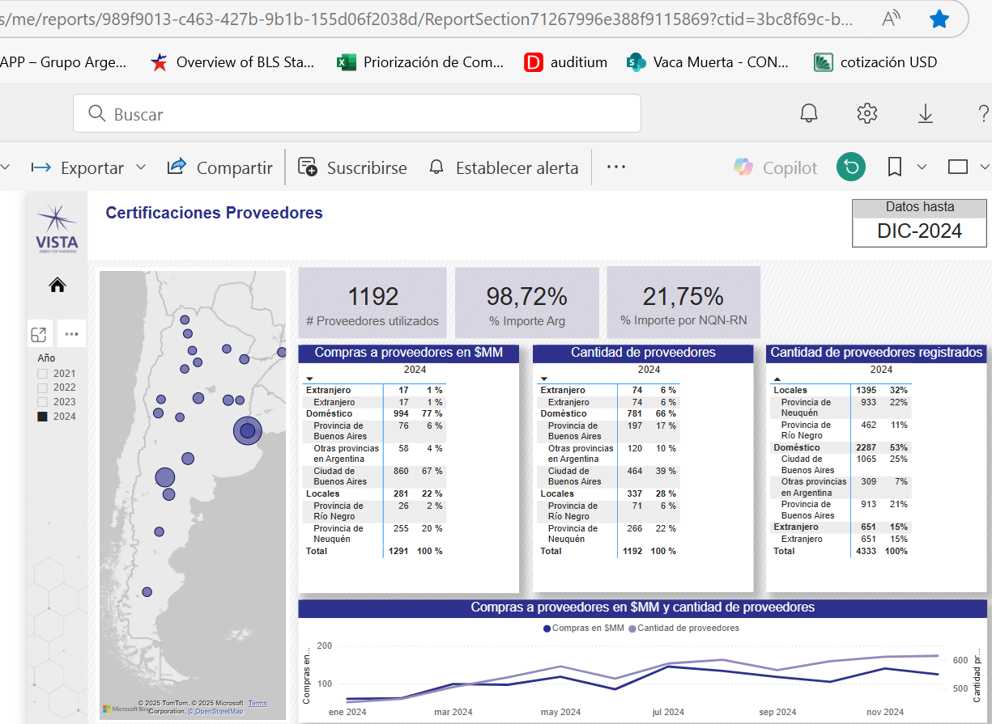

Suppliers
☑
...
2024
...
1,192
337
781
74
15
...
1,291
...

